Tab 3. ARRS Maxima 25.26
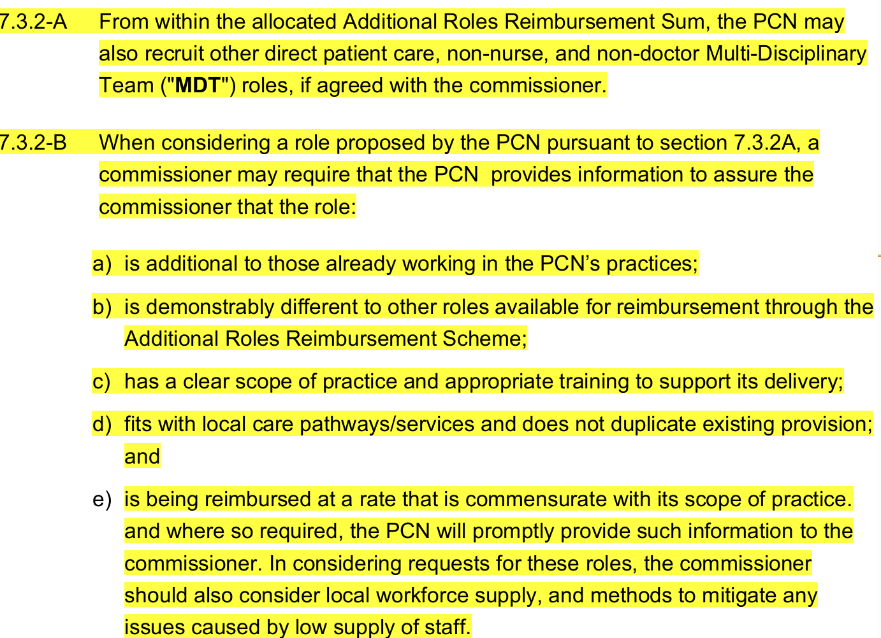
Role | Max Monthly reimbursement for 1 WTE (incl Outer London Allowance, Employer's NI & Employer's Pensions) ) 25.26 | Max Yearly reimbursement for 1 WTE (incl Outer London Allowance, Employer's NI & Employer's Pensions) 25.26 | Click here for the Network DES 25.26
Advanced Practitioner - NO Digital Badge (Band 7) | £6,027.25 | £72,327.00
Advanced Practitioner - with Digital Badge (Band 8a) | £6,729.50 | £80,754.00
Apprentice Physician Associate | £4,163.92 | £49,967.00
Care Co-ordinator | £3,503.17 | £42,038.00
Clinical Pharmacist | £6,199.33 | £74,392.00
Consultant Nurse Primary Care | £9,175.25 | £110,103.00
Dietician | £6,027.25 | £72,327.00
Digital and Transformation Lead | £6,729.50 | £80,754.00
Enhanced Practice Nurse | £6,027.25 | £72,327.00
Experienced General Practice Nurse | £5,061.58 | £60,739.00
First Contact Physiotherapist | £6,199.33 | £74,392.00
General Medical Practitioner | £9,056.67 | £108,680.00
General Practice Assistant | £3,503.17 | £42,038.00
Health and Wellbeing Coach | £4,163.92 | £49,967.00
Healthcare Support Worker | £3,170.58 | £38,047.00
New to General Practice Nurse | £4,163.92 | £49,967.00
Nursing Associate | £3,503.17 | £42,038.00
Occupational Therapist | £6,027.25 | £72,327.00
Paramedic | £6,027.25 | £72,327.00
Pharmacy Technician | £4,163.92 | £49,967.00
Physician Associate | £6,027.25 | £72,327.00
Podiatrist | £6,027.25 | £72,327.00
Social Prescribing Link Worker | £4,163.92 | £49,967.00
Student Nursing Associate (previously Trainee Nursing Associate) | £3,170.58 | £38,047.00
50% - Band 4 Mental Health Practitioner | £1,751.58 | £21,019.00 | Only 50% reimbursement is available for the first MHP a PCN has hired.
50% - Band 5 Mental Health Practitioner | £2,082.00 | £24,984.00
50% - Band 6 Mental Health Practitioner | £2,530.83 | £30,370.00
50% - Band 7 Mental Health Practitioner | £3,013.58 | £36,163.00
50% - Band 8a Mental Health Practitioner | £3,364.75 | £40,377.00
Subsequent- Band 4 Mental Health Practitioner | £3,503.17 | £42,038.00 | Up to 100% reimbursement is available for any subsequent MHPs subject to local arrangements with Trusts see section 7.3 of the DES | These amounts reflect the maximum reimbursement available to the PCN, and are based on the PCN funding 100% of the role. The actual amount claimed will depend on local funding agreements E.g, if the PCN and mental health provider agree to fund 70% and 30% of the role respectively, the PCN can only claim 70% of the amount quoted.
Subsequent - Band 5 Mental Health Practitioner | £4,163.92 | £49,967.00
Subsequent - Band 6 Mental Health Practitioner | £5,061.58 | £60,739.00
Subsequent - Band 7 Mental Health Practitioner | £6,027.25 | £72,327.00
Subsequent - Band 8a Mental Health Practitioner | £6,729.50 | £80,754.00
Other direct patient care roles | Local agreement applies | Local agreement applies | As agreed with commissioner and within the band maxima of the band of the role recruited for. See section 7.3.2 of the Network DES

